LOX Design
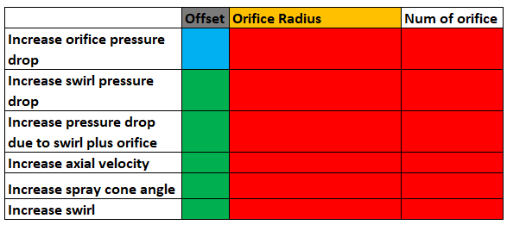

 | Offset | Orifice Radius | Num of orifice
Increase orifice pressure drop
Increase swirl pressure drop
Increase pressure drop due to swirl plus orifice
Increase axial velocity
Increase spray cone angle
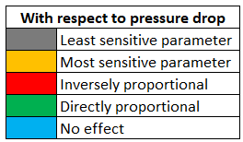
Increase swirl

 | With respect to pressure drop
 |  | Least sensitive parameter
 |  | Most sensitive parameter
 |  | Inversely proportional
 |  | Directly proportional
 |  | No effect

